Statistics & Graph
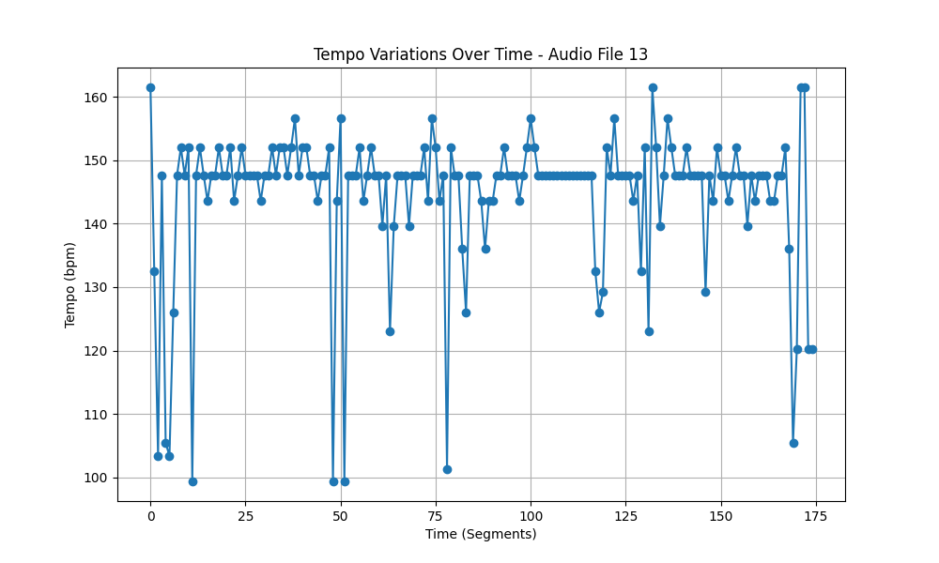
Metric | Value
Mean | 144.47560976
Standard Deviation | 11.690860411
Coefficient of Variation (CV) | 8.0919266794

